Contact information
Bioresources physical and contract information |  | Company name

Purpose | This spreadsheet provides information about water and sewerage company sewage sludge production sites (known as wastewater treatment works (WwTWs) and sludge treatment facilities (STCs). Its purpose is to facilitate conversations between companies and third parties to explore market opportunities. It does not include all information that may be defined within a contract. Companies are required to provide data under the columns marked mandatory. Any additional information can be provided on a voluntary basis. | The water and sewerage companies' areas in England and Wales
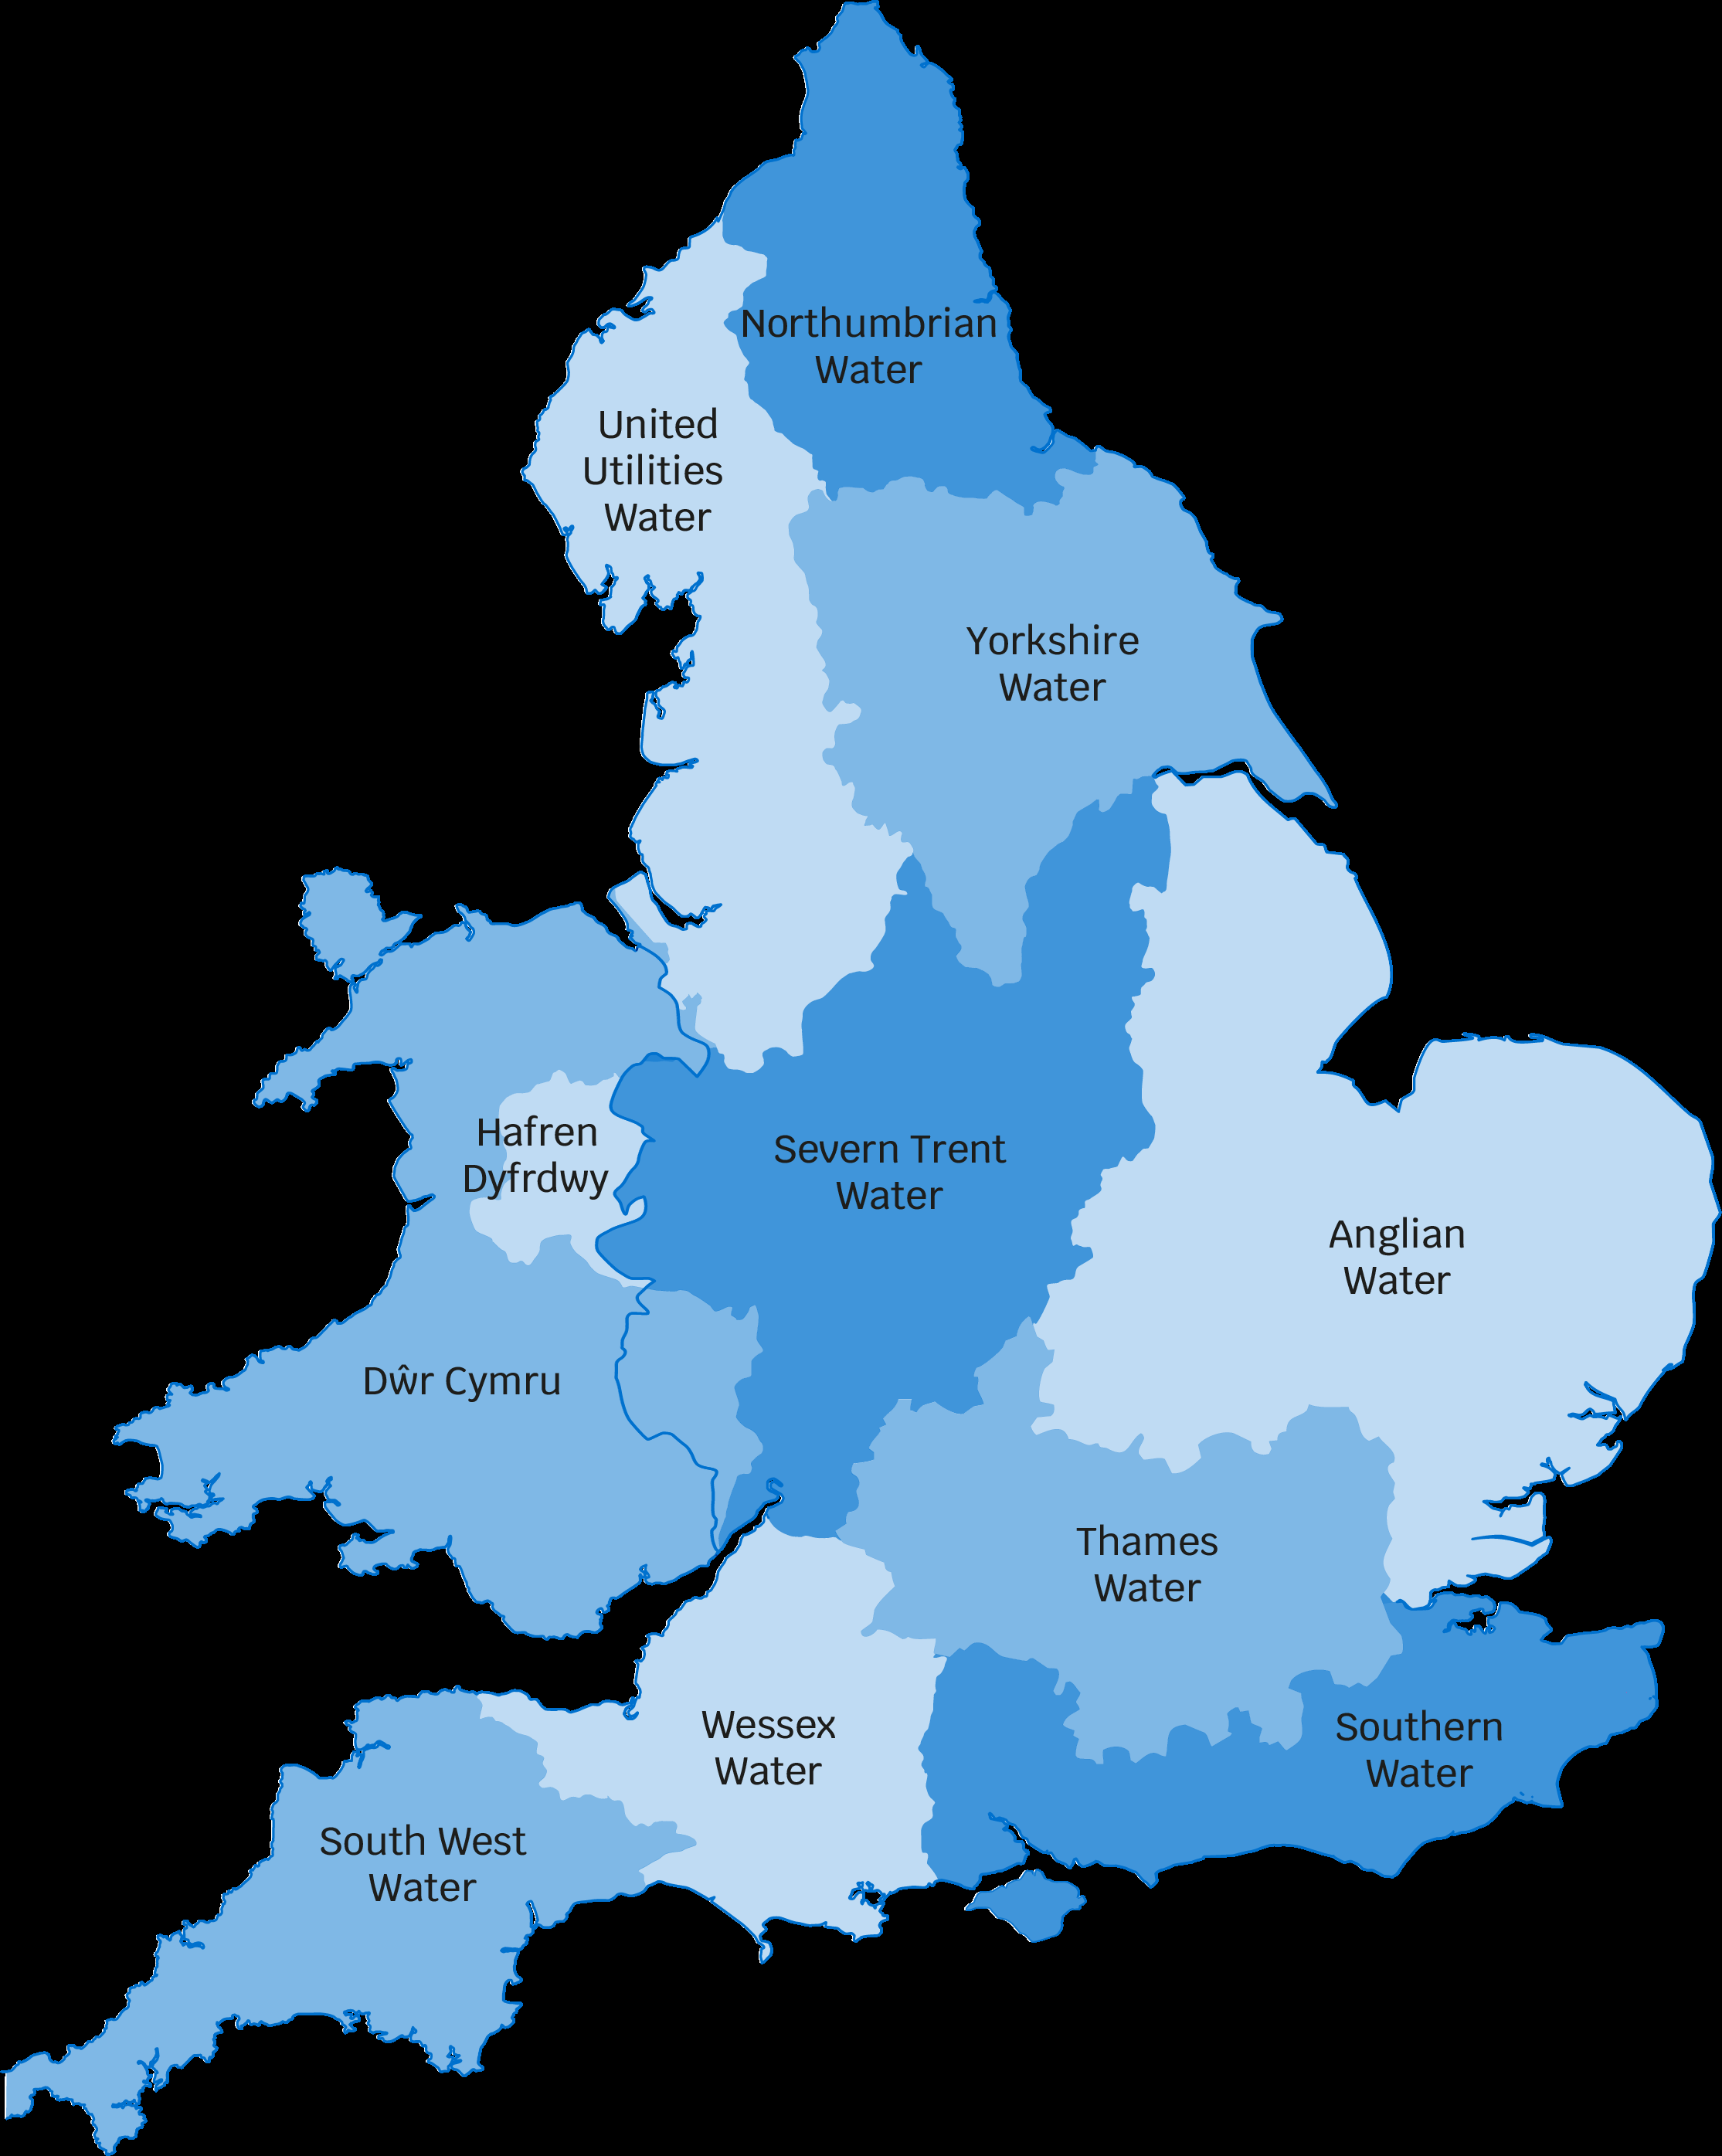
Water and Sewerage Company name | United Utilities
Financial Year the historical data relates to | 2022-23
Date the spreadsheet was published | 2023-06-30
Contact details for anyone wanting to discuss commercial opportunities arising from this information | UUBioresource@uuplc.co.uk
Any further details regarding any future procurement
Brief description of geographical boundary of data included here | United Utilities manages the regulated water and wastewater network in North West England - which includes Cumbria, Cheshire, Greater Manchester, Lancashire and Merseyside.

Brief description of level of data assurance | United Utilities undertake a structured risk based assessment, which determines the required level of governance and assurance processes for our regulatory reporting outputs. As a result of this assessment, these tables have been subject to three lines of assurance, which includes an external review by our independent 3rd party auditor – Jacobs. The allocation of the information to the individual sites with the spreadsheet has been undertaken based on defined and documented methodologies using either measured or estimated processes (as shown in the spreadsheet).

Summary of significant changes since the most recently previously published version of the information and this version | Updated data based on the 2022-23 reporting period.

 | Key: Input cell colour

